OFFER
BURBERRY CAPES

PHOTOS 01 | PHOTOS 02 | PHOTOS 03 | MODEL | DESC. | COLOR DESC. | SIZE | MADE IN | COMPOSITION | Q.TY AVAILABLE | ORDER | BOUTIQUE | YOUR PRICE
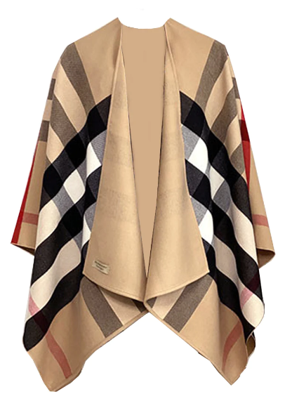 | 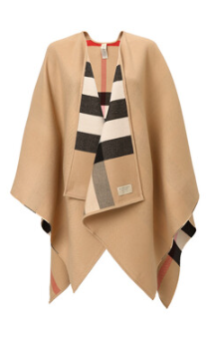 | 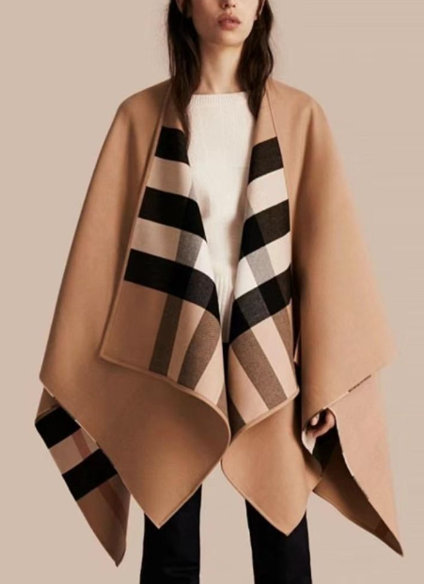 | 40294061 | CAPS | CAMEL | 140X140 | ITALY | 100% WOOL | 350 |  | 750.00 € | 377 € | ,
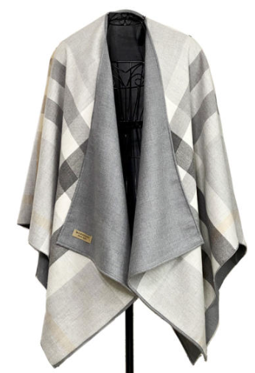 | 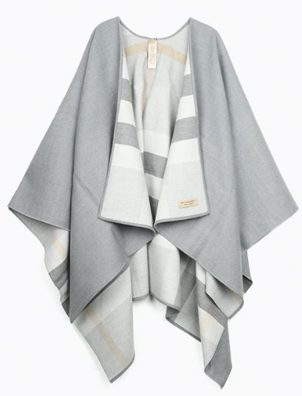 | 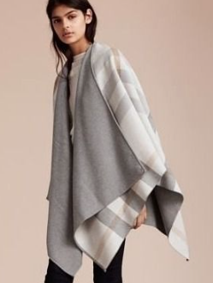 | 40294051 | CAPS | LIGHT GREY | 140X140 | ITALY | 100% WOOL | 200 |  | 750.00 € | 377 € | 395.85 €
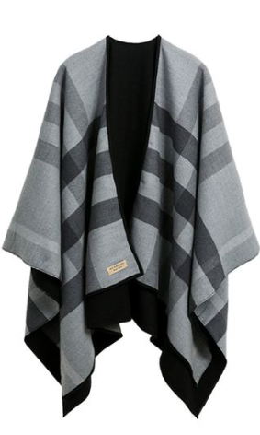 | 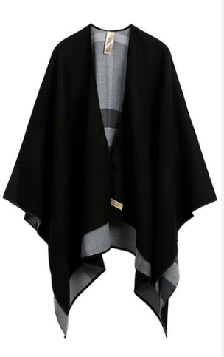 | 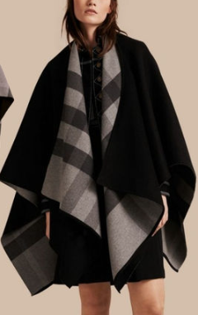 | 40294041 | CAPS | CARCOAL | 140X140 | ITALY | 100% WOOL | 100 |  | 750.00 € | 377 € | 395.85 €
 |  |  |  |  |  |  |  |  | 650

